Sheet1
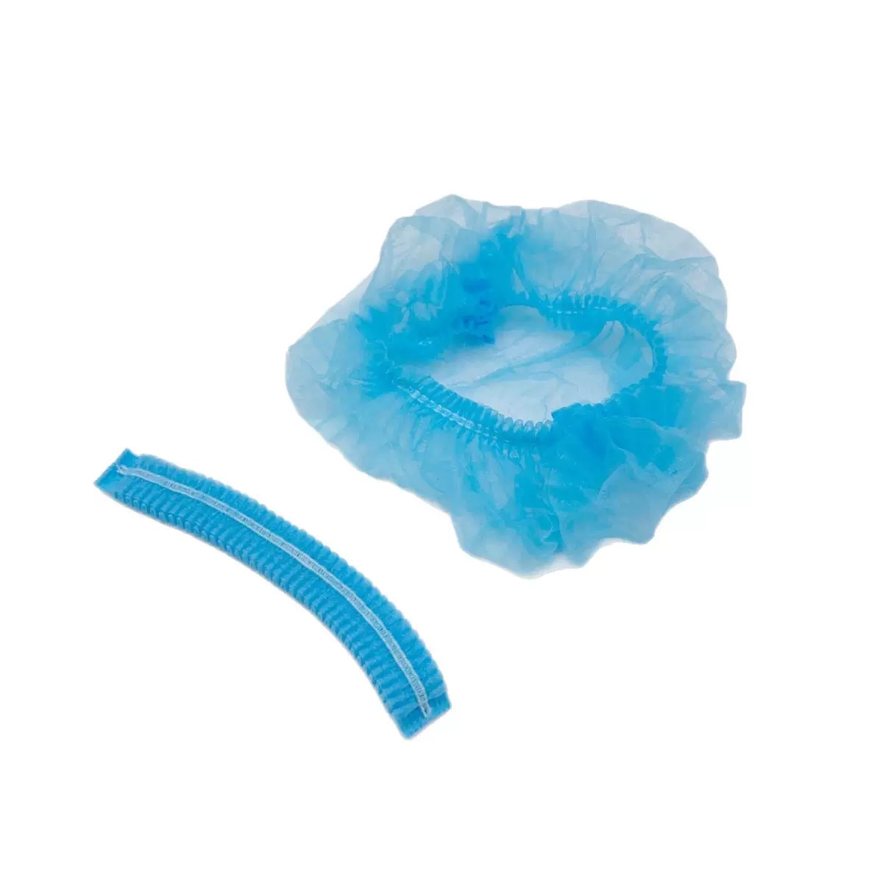
 | Quotation
Product Name |  | Size | Quantity | FOB WUHAN Unit(PCS)/US Dollar | Amount (USD) | Packing | Carton Size
1 | Hairnet | 20 iches single elastic | 100000Pcs | $0.0070 | $700.00 | 2000 Pcs/Ctn | 52*27*23CM
 |  | 20 iches double elastic | 100000Pcs | $0.0075 | $750.00 | 2000 Pcs/Ctn | 52*27*23CM
 |  | 21 iches single elastic | 100000Pcs | $0.0072 | $720.00 | 2000 Pcs/Ctn | 52*27*23CM
 |  | 21 iches double elastic | 100000Pcs | $0.0077 | $770.00 | 2000 Pcs/Ctn | 52*27*23CM
TOTAL
 | Conatct:Clarke.li |  |  | CE/ISO/FDA/MDR certificates As top 10 in medical consumable
 | Email: Clarke@qjmdmgauze.com
 | Mobile:+86 15623290377
 | Wechat/WhatsApp:+86 15623290377
 | Headquarter Add: Yuanguang Road ,Qianjiang, Hubei,China Sales Office: Floor 20 ,SPD Building ,No 218 Xinhua Road,Wuhan ,Hubei ,China 430021

